All The Pots
Heat Resistance Resin Test: Time to 70C
Standard pots | Helical Vane Pot | Bundt Pot | Ribbed Pot
7:01:00 | 14:47:00 | 9:33:00 | 19:22:00

Testing Set-Up
Testing Set-Up
- Propane Burner Notch
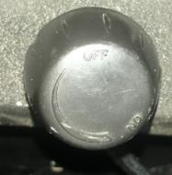

- 50 mL water
- Stopped recording at 70 °C
- 10 inches
- Clamp flush to the pot

Next Time:

